BAG1
BOT PC

No. | DEVICE | PICT | ULTRAVIEWER ID | WORKER BOT | PLAYLIST | KETERANGAN | ROOM
1 | PC Putih R.Utama |  | ID: 100 317 478 PASS: 05754 | 26 Worker | 80 Nomor, 80 Playlist | Tergantung internet dan mati lampu, masih aman | Room Kantor
2 | PC Dell Server R.Utama |  | ID: 87 620 027 PASS: 57990 | 30 Worker | 80 Nomor, 80 Playlist | So far aman
3 | PC XEON E5 R.Utama |  | ID: 86 492 807 PASS: 91178 | 28 Worker | 80 Nomor, 80 Playlist | So far aman
4 | PC XEON E5 2696 R.Utama | 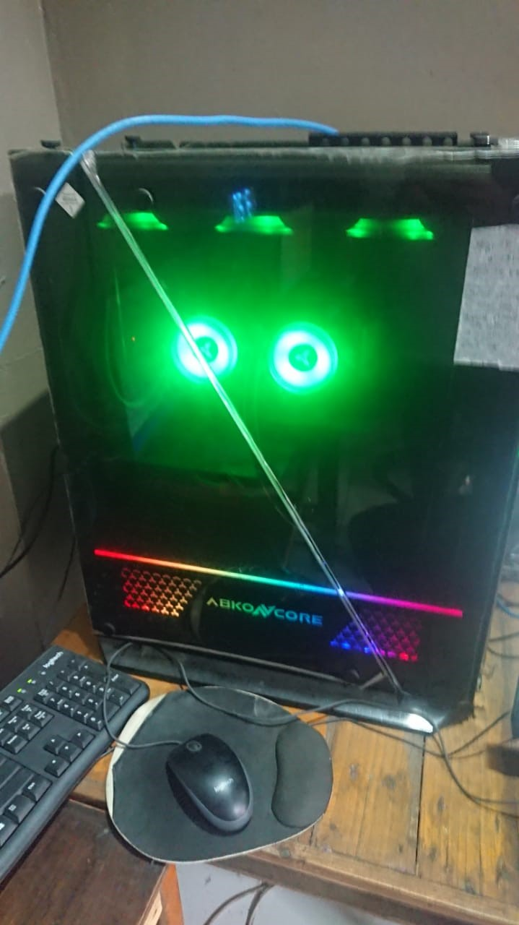 | ID: 86 656 025 PASS: 62409 | 30 Worker | 80 Nomor, 80 Playlist | So far aman
5 | PC BOT Tuf Gaming 1 |  | ID: 101 684 951 PASS: 62780 | 35 Worker | 80 Nomor, 80 Playlist | So far aman | Room A Rechan
6 | PC BOT Tuf Gaming 2 |  | ID: 100 530 245 PASS: 39130 | 45 Worker | 80 Nomor, 80 Playlist | Internet suka mati, setelah refresh ada dua kemungkinan bisa dibuka atau masukkin ulang lisensi
7 | PC AMD Ryzen 5 (Person: Seuhah)/ BTJJ 4 Move R.Ibu |  | ID: 98 786 659 PASS: 64791 | 30 Worker | 80 Nomor, 80 Playlist | Internet suka mati, setelah refresh ada dua kemungkinan bisa dibuka atau masukkin ulang lisensi | Room Nenek 2
8 | PC Kecil HP |  | ID: 98 776 014 PASS: 31729 | 15 Worker | 80 Nomor, 80 Playlist
9 | PC Putih AMD | 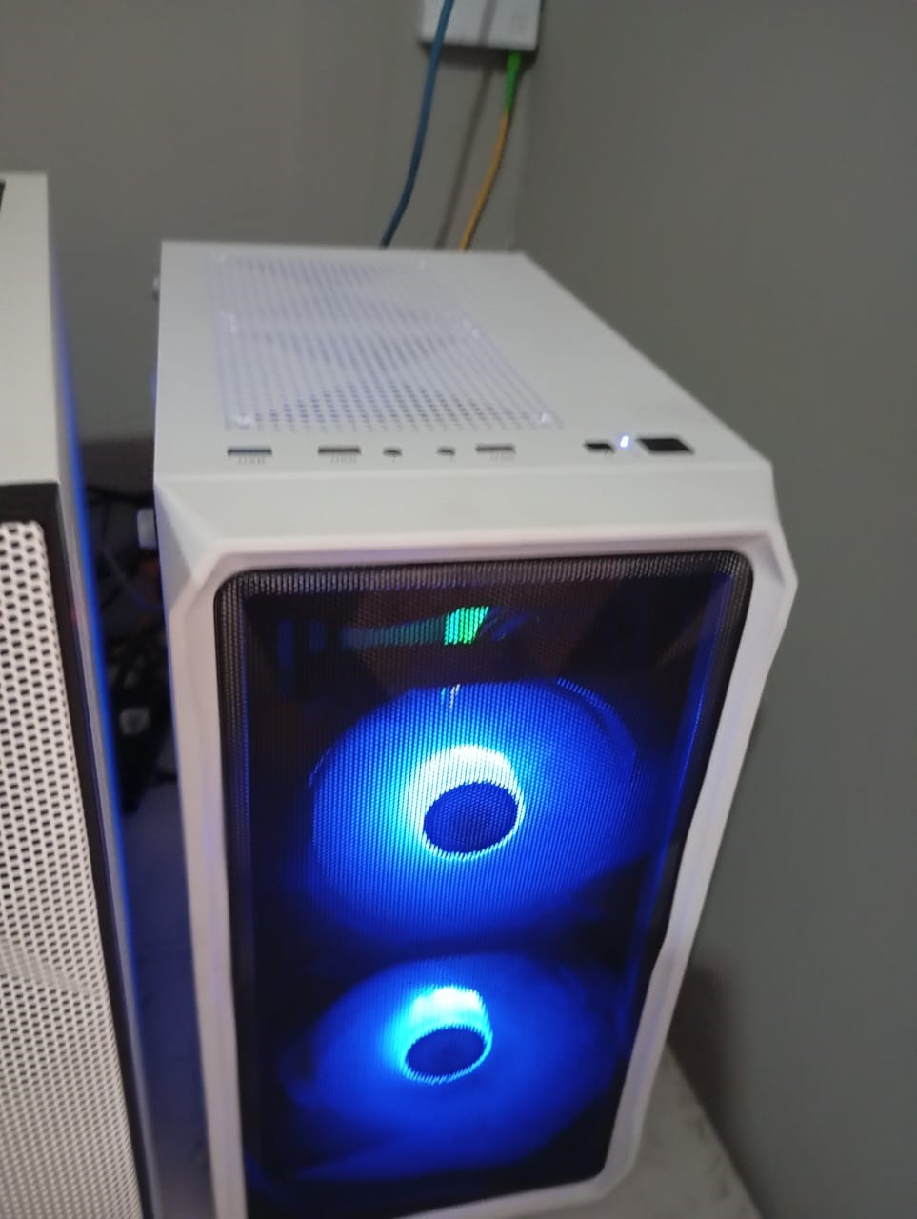 | ID: 103 934 173 PASS: 68628 | 30 Worker | 80 Nomor, 80 Playlist | Masukin ulang lisensi sama LM gk ngePlay
9 | PC Hitam Kecil HP(OK) | 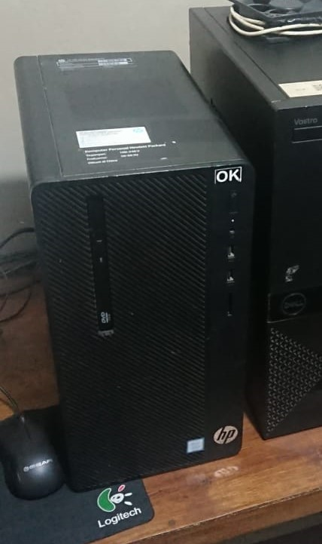 | ID: 103 908 157 PASS: 95101 | 15 Worker | 80 Nomor, 80 Playlist | Aman
9 | PC Kecil Dell Optiplek 5050 | 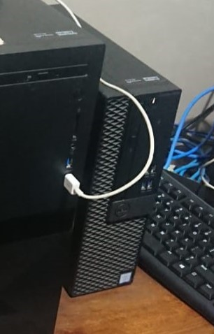 | ID: 98 915 490 PASS: 44765 | 15 Worker | 80 Nomor, 80 Playlist | Tergantung internet dan mati lampu, masih aman | Room Nenek 1
10 | PC Kecil HP Prodesk |  | ID: 98 812 380 PASS: 56448 | 15 Worker | 80 Nomor, 80 Playlist | Tergantung internet dan mati lampu, masih aman
11 | PC Tuf Gaming |  | ID: 100 519 102 PASS: pm8es2 | 50 Worker | 80 Nomor, 80 Playlist | Tergantung internet dan mati lampu, masih aman
12 | PC PUTIH ROOM BABEH |  | ID: 100 317 478 PASS: 05754 | 40 Worker |  |  | Room Babeh
13 | BTJJ 1 |  | ID: 101 684 951 PASS: 62780 | 30 Worker
14 | BTJJ 2 |  | ID: 98 401 644 PASS: 60445 | 36 Worker |  |  | Room BTJJ
15 | BTJJ 3 |  | ID: 98 798 855 PASS: 88312 | 30 Worker
16 | BTJJ NEW 4 |  | ID: 87 614 676 PASS: 65134 | 30 Worker
 | BISA DIPAKE
 | ADA 30 WORKER

